Agriculture_data
Sugarcane |  |  |  | Inventory data | Source: Chagas et al. (2016) DOI: 10.1002/bbb |  |  |  | Ethanol x sugar production |  | Source: | Safra cana de açúcar e milho |  | *Dados ainda não consolidados totalmente
 |  |  |  |  | Inputs for reformed areas
Cultivo |  |  |  |  |  |  |  |  | CANA-DE-AÇÚCAR DESTINADA AO AÇÚCAR (Em mil t) |  |  | AÇÚCAR (Em mil t)
Ano Agricola | Area Plantada (mil ha) | Producao (mil t) | Rendimento (t/ha) |  | Fertilizers | Without filtercake | Using Filtercake |  | Safra 2018/19 | Safra 2019/20 | Safra 2020/21* | Safra 2018/19 | Safra 2019/20 | Safra 2020/21*
2005/06 | 5,840.31 | 431,413.40 | 73.87 |  | N - 1st applic (kg/ha) | 30 | 30
2006/07 | 6,163.30 | 474,800.40 | 77.04 |  | P2O5 (kg/ha) | 180 | - |  | 220,211.7 | 224,550.0 | 306,686.7 | 29,038.3 | 29,795.7 | 41,844.5
2007/08 | 7,010.20 | 571,370.70 | 81.51 |  | K2O (kg/ha) | 120 | 120
2008/09 | 7,057.90 | 571,434.30 | 80.96 |  | N - 2nd applic. (covering) (kg/ha) | 30 | 30
2009/10 | 7,409.50 | 604,513.70 | 81.59 |  | other agricultural inputs for replanted areas |  |  |  | CANA-DE-AÇÚCAR DESTINADA AO ETANOL TOTAL (Em mil t) |  |  | ETANOL TOTAL (Em mil l)
2010/11 | 8,056.10 | 623,905.30 | 77.45 |  | Limestone (t/ha) | 2 |  |  | Safra 2018/19 | Safra 2019/20 | Safra 2020/21* | Safra 2018/19 | Safra 2019/20 | Safra 2020/21*
2011/12 | 8,362.60 | 560,955.20 | 67.08 |  | Gypsum (t/ha) | 1
2012/13 | 8,485.00 | 588,915.71 | 69.41 |  | Filtercake (t/ha) | 5 |  |  | 400,223.7 | 418,167.8 | 358,418.3 | 32,351,643.0 | 34,001,617.8 | 29,830,045.1
 | AÇÚCAR (Em mil t) | ETANOL TOTAL (Em mil l)
Safra 2018/19 | 29,038.3 | 32,351,643.0
Safra 2019/20 | 29,795.7 | 34,001,617.8
Safra 2020/21* | 41,844.5 | 29,830,045.1
2013/14 | 8,811.43 | 658,822.27 | 74.77 |  | Diesel (L/ha) | 25
2014/15 | 9,004.48 | 634,767.00 | 70.49
2015/16 | 8,654.24 | 665,586.20 | 76.91 |  | Sugarcane production cost (US$/t) | 28.3 | exchange rate 1US$ = 2 R$
2016/17 | 9,073.72 | 690,978.40 | 76.15
2017/18 | 8,766.50 | 646,337.38 | 73.73 | Média 2019 | Sugarcane production cost (R$/t) | 95.2 | Preços 2020 | Jan 20/Jan21
2018/19 | 8,590.93 | 620,490.09 | 72.23 | 1US$=4.1 | Sugarcane production cost (R$/t) | 85.9 | 2019
2019/20 | 8,443.29 | 642,769.87 | 76.13 |  | Cavallet et al. (2017) http://dx.doi.org/10.1016/j.indcrop.2016.11.025
2020/21 | 8,605.03 | 665,105.02 | 77.29 |  | Sugarcane production cost (US$/t) | 29.11 | exchange rate
MÉDIA | 8,020.91 | 603,260.31 | 75.41 |  | Sugarcane straw (USS$/TSdb) | 27.09 | 1 US$ = R$ 2.30

Source: | https://portaldeinformacoes.conab.gov.br/safra-serie-historica-cana-de-acucar.html

Soybean

 |  |  |  |  |  |  | Ref.
Ano Agricola | Area Plantada (mil ha) | Producao (mil t) | Rendimento (t/ha) | Soybean production cost (R$/60kg) | 109.9 | Preços 2020 | Jan 20/Jan21
2005/06 | 22,750.00 | 55,027.00 | 2.4187692308 | Soybean production cost (R$/60kg) | 70.8 |  | Jan 19/Jan 20
2006/07 | 20,686.00 | 58,391.00 | 2.822730349
2007/08 | 21,314.00 | 60,018.00 | 2.8158956554 | Inputs per ton of soybean
2008/09 | 21,741.00 | 57,164.00 | 2.6293178787 | Energy input (MJ) | 391
2009/10 | 23,466.00 | 68,688.00 | 2.9271286116 | Diesel (L) | 10.7
2010/11 | 24,182.00 | 75,323.00 | 3.1148374824 | N (kg) | 2.4
2011/12 | 25,043.00 | 66,385.00 | 2.6508405542 | K2O | 31.6
2012/13 | 27,736.00 | 81,499.00 | 2.9383833285 | P2O5 | 25.9
2013/14 | 30,173.00 | 86,122.00 | 2.8542736884 | Soil correctives (kg) | 230 | CaCO3, CaSO4 and sulphur
2014/15 | 32,093.00 | 96,229.00 | 2.9984420279 | Pesticides/Herbicides (kg) | 0.8
2015/16 | 33,229.00 | 95,574.00 | 2.8762225767 | Field emissions*
2016/17 | 33,909.00 | 114,074.00 | 3.3641216196 | N2O (kg) | 0.7
2017/18 | 35,151.00 | 119,281.00 | 3.3933885238 | CO2 | 79.9
2018/19 | 35,876.00 | 115,030.00 | 3.206321775 | *Emissions from agricultural residues, from limestone and N fertilizer, and N fixation
2019/20 | 36,948.00 | 124,845.00 | 3.3789379669 | Source: Technical Report Comparison of Biofuel Life Cycle Analysis Tools Phase 2, Part 1: FAME and HVO/HEFA
2020/21 | 38,473.00 | 135,540.00 | 3.5229901489
MÉDIA | 28,923.13 | 88,074.38 | 2.99

Source: | https://portaldeinformacoes.conab.gov.br/safra-serie-historica-graos.html

Corn

Ano Agricola | Area Plantada (mil ha) | Producao (mil t) | Rendimento (t/ha) | Faltam informações para os inventários
2005/06 | 12,965.00 | 42,514.00 | 3.2791361358
2006/07 | 14,055.00 | 51,370.00 | 3.6549270722
2007/08 | 14,768.00 | 58,648.00 | 3.9712892741 | Corn production cost (R$/60kg) | 38 |  | Jan 19/Jan 20
2008/09 | 14,169.00 | 51,004.00 | 3.5996894629
2009/10 | 12,997.00 | 56,021.00 | 4.3103023775
2010/11 | 13,806.00 | 57,408.00 | 4.1581920904
2011/12 | 15,180.00 | 72,977.00 | 4.8074440053
2012/13 | 15,829.00 | 81,505.00 | 5.1490934361
2013/14 | 15,826.00 | 80,051.00 | 5.0581953747
2014/15 | 15,693.00 | 84,670.00 | 5.3953992226
2015/16 | 15,754.00 | 69,142.00 | 4.3888536245
2016/17 | 17,591.00 | 97,842.00 | 5.5620487749
2017/18 | 16,636.00 | 81,360.00 | 4.8905987016
2018/19 | 17,493.00 | 100,043.00 | 5.7190304693
2019/20 | 18,527.00 | 102,501.00 | 5.5325201058
2020/21 | 19,717.00 | 108,964.00 | 5.5263985393
Média | 15,687.88 | 74,751.25 | 4.69

Source: | https://portaldeinformacoes.conab.gov.br/safra-serie-historica-graos.html

biofuels_annual_production
Ethanol | Source | Painel dinâmico - Produtores de etanol (ANP) |  |  |  | Sugarcane x corn ethanol | Source | Safra cana de açúcar e milho |  | *Dados ainda não consolidade totalmente

 | 2019 | 2020 | 2021* (até fev) |  |  | mil l | 2018/19 | 2019/20 | 2020/21
Anyhydrous ethanol (Mm³) | 10.4 | 10.2 | 0.2298 |  |  | Sugarcane | 32,351,643.0 | 34,001,617.8 | 29,830,045.1
Hydrated ethanol (Mm³) | 24.9 | 22.6 | 0.5919 |  |  | corn | 791,431.0 | 1,675,563.2 | 3,021,821.3
TOTAL (Mm³) | 35.3 | 32.8 | 0.8217 |  |  | TOTAL (mil l) | 33,143,074.0 | 35,677,181.0 | 32,851,866.4
Anyhydrous ethanol (ML) | 10400 | 10200 | 229.8
Hydrated ethanol (ML) | 24900 | 22600 | 591.9
TOTAL (ML) | 35300 | 32800 | 821.7

2019
2020
Raw materials
 | 2019 | 2020
raw materials | ton | ton
sugarcane | 383,341,806 | 329,664,977
bagasse or straw | 81,337 | 34,997
molasses | 4,834,534.00 | 9,953,520
corn | 3,381,197 | 5,777,533
other rawmaterials | 1,855,983 | 104,512
 | 10,153,051 | 15,870,562
 | 393,494,857 | 345,535,539

B100
Biodiesel | Source | Painel dinâmico - produtores de biodiesel (ANP)

 | 2017 | 2018 | 2019 | 2020 | 2021* (até mar)
B100 (Mm³) | 4.29 | 5.34 | 5.90 | 6.43 | 1.67
B100 (ML) | 4289.8 | 5336.5 | 5902.5 | 6432.0 | 1668.2

Raw materials

2020
2019
Óleo de Soja | 4,093,319
Óleo de Palma | 120,750
Óleo de Algodão | 66,879
Óleo de Canola | 3,135
Sebo | 681,539
Outros Materiais Graxos | 675,118
Gordura de Frango | 34,335
Gordura de Porco | 115,294
Óleo de Fritura Usado | 92,634
Óleo de milho | 158,386
m³ | 2017 | 2018 | 2019 | 2020 | 2021* (até mar)
Óleo de Soja | 2,964,246 | 3,743,316 | 4,093,319 | 4,621,448 | 1,182,909
Óleo de Palma | 34,438 | 70,703 | 120,750 | 166,182 | 47,980
Óleo de Algodão | 12,175 | 48,487 | 66,879 | 108,368 | 35,029
Óleo de Palmiste | 0 | 0 | 0 | 338 | 0
Óleo de Girassol | 0 | 0 | 0 | 1,142 | 0
Óleo de Canola | 7,218 | 4,059 | 3,135 | 3,767 | 581
Sebo | 577,054 | 707,744 | 681,539 | 576,177 | 161,211
Outros Materiais Graxos | 428,869 | 525,578 | 675,118 | 746,445 | 186,020
Gordura de Frango | 45,808 | 43,432 | 34,335 | 40,424 | 9,142
Gordura de Porco | 92,411 | 111,239 | 115,294 | 130,419 | 30,276
Óleo de Fritura Usado | 58,513 | 86,498 | 92,634 | 79,604 | 24,150
Óleo de milho | 0 | 5,609 | 158,386 | 14,866 | 932

economic
INDICADOR SEMANAL DO ETANOL HIDRATADO COMBUSTÍVEL CEPEA/ESALQ - SÃO PAULO 2019 |  |  |  |  |  |  |  |  | INDICADOR SEMANAL DO ETANOL ANIDRO CEPEA/ESALQ - SÃO PAULO 2019
LHV (kcal/kg) | LHV (MJ/kg) | Data | À vista R$ | À vista US$ | Variação dólar | US$/MJ |  |  | LHV (kcal/kg) | LHV (MJ/kg) | Data | À vista R$ | À vista US$ | Variação dólar | US$/MJ
6300 | 26.37684 | 04/01/2019 | 1.6673 | 0.4432 | 0.26581898878 | 0.020769615905 |  |  | 6750 | 28.2609 | 04/01/2019 | 1.8328 | 0.4872 | 0.26582278481 | 0.021794394501
 |  | 11/01/2019 | 1.6354 | 0.4406 | 0.26941421059 | 0.020647772491 |  |  |  |  | 11/01/2019 | 1.8156 | 0.4892 | 0.2694426085 | 0.021883862458
Densidade (kg/m³) |  | 18/01/2019 | 1.6044 | 0.4301 | 0.26807529294 | 0.020155712547 |  |  | Densidade (kg/m³) |  | 18/01/2019 | 1.7934 | 0.4807 | 0.26803836289 | 0.021503623638
809 |  | 25/01/2019 | 1.559 | 0.4134 | 0.26516998076 | 0.019373102923 |  |  | 791 |  | 25/01/2019 | 1.7421 | 0.4619 | 0.26513977384 | 0.020662624835
 |  | 01/02/2019 | 1.5231 | 0.4112 | 0.26997570744 | 0.019270004649 |  |  |  |  | 01/02/2019 | 1.7335 | 0.468 | 0.26997404096 | 0.020935502106
 |  | 08/02/2019 | 1.58 | 0.4276 | 0.27063291139 | 0.020038555418 |  |  |  |  | 08/02/2019 | 1.6976 | 0.4594 | 0.27061734213 | 0.020550789888
 |  | 15/02/2019 | 1.6921 | 0.4532 | 0.2678328704 | 0.021238244423 |  |  |  |  | 15/02/2019 | 1.7586 | 0.4711 | 0.26788354373 | 0.021074177441
 |  | 22/02/2019 | 1.7998 | 0.4824 | 0.26802978109 | 0.022606639695 |  | Preço gasolina |  |  | 22/02/2019 | 1.8782 | 0.5034 | 0.26802257481 | 0.022519084958
 |  | 01/03/2019 | 1.8661 | 0.4979 | 0.2668131397 | 0.023333013897 |  | 2019 | 2020 | dist | 01/03/2019 | 1.89 | 0.5043 | 0.26682539683 | 0.022559345539
 |  | 08/03/2019 | 1.8694 | 0.4833 | 0.25853214935 | 0.022648816262 |  | 1.116 | 0.895 | US$/L | 08/03/2019 | 1.9198 | 0.4964 | 0.2585686009 | 0.022205947106
 |  | 15/03/2019 | 1.8532 | 0.4845 | 0.26143967192 | 0.022705051684 |  | 3.93 | 3.74 | R$/L | 15/03/2019 | 1.8861 | 0.4932 | 0.26149196755 | 0.022062798374
 |  | 22/03/2019 | 1.7686 | 0.4649 | 0.26286328169 | 0.021786539789 |  | Preço diesel |  |  | 22/03/2019 | 1.8591 | 0.4887 | 0.26286913022 | 0.021861495469
 |  | 29/03/2019 | 1.6332 | 0.4188 | 0.25642909625 | 0.019626162322 |  | 2019 | 2020 | dist | 29/03/2019 | 1.8391 | 0.4715 | 0.25637540101 | 0.021092071032
 |  | 05/04/2019 | 1.6478 | 0.4265 | 0.25882995509 | 0.019987006281 |  | 0.91 | 0.72 | US$/L | 05/04/2019 | 1.8554 | 0.4802 | 0.25881211599 | 0.021481256649
 |  | 12/04/2019 | 1.8962 | 0.4921 | 0.25951903808 | 0.023061209357 |  | 3.20 | 2.95 | R$/L | 12/04/2019 | 1.936 | 0.5025 | 0.25955578512 | 0.022478824377
 |  | 18/04/2019 | 1.9846 | 0.5079 | 0.25592058853 | 0.023801642415 |  |  |  |  | 18/04/2019 | 2.1038 | 0.5384 | 0.25591786291 | 0.024084774218
 |  | 26/04/2019 | 1.8562 | 0.4705 | 0.25347484107 | 0.022048971759 |  |  | Média dólar 2019 |  | 26/04/2019 | 2.0496 | 0.5196 | 0.25351288056 | 0.023243775416
 |  | 03/05/2019 | 1.6596 | 0.4213 | 0.25385635093 | 0.019743319452 |  |  | 3.9369665465 | R$ | 03/05/2019 | 1.9733 | 0.501 | 0.25388942381 | 0.022411723409
 |  | 10/05/2019 | 1.6109 | 0.4079 | 0.25321248991 | 0.019115357238 |  |  | Média dólar 2020 |  | 10/05/2019 | 1.9416 | 0.4917 | 0.2532447466 | 0.021995697405
 |  | 17/05/2019 | 1.682 | 0.4187 | 0.24892984542 | 0.019621476037 |  |  | 4.182122905 |  | 17/05/2019 | 1.946 | 0.4844 | 0.24892086331 | 0.02166913936
 |  | 24/05/2019 | 1.6493 | 0.4071 | 0.24683198933 | 0.019077866956 |  |  |  |  | 24/05/2019 | 1.9055 | 0.4704 | 0.24686434007 | 0.021042863656
 |  | 31/05/2019 | 1.6228 | 0.4072 | 0.25092432832 | 0.019082553242 |  | 2018 | 2019 | 2020 | 31/05/2019 | 1.8522 | 0.4648 | 0.25094482237 | 0.020792353374
 |  | 07/06/2019 | 1.6487 | 0.4248 | 0.25765754837 | 0.019907339433 | Gasolina corriente |  |  |  | 07/06/2019 | 1.8982 | 0.4891 | 0.25766515646 | 0.02187938906
 |  | 14/06/2019 | 1.6175 | 0.4183 | 0.25860896445 | 0.019602730896 | PRECIO FINAL (CONSUMIDOR) | 1.207 | 1.116 | 0.895 | 14/06/2019 | 1.859 | 0.4808 | 0.25863367402 | 0.021508097036
 |  | 21/06/2019 | 1.6105 | 0.4174 | 0.25917416951 | 0.01956055433 | PRECIO REFINERIA | 0.506 | 0.464 | 0.339 | 21/06/2019 | 1.8386 | 0.4765 | 0.25916458175 | 0.021315740927
 |  | 28/06/2019 | 1.604 | 0.4179 | 0.2605361596 | 0.019583985756 | Diesel |  |  |  | 28/06/2019 | 1.8277 | 0.4762 | 0.26054604147 | 0.021302320733
 |  | 05/07/2019 | 1.6403 | 0.4287 | 0.26135463025 | 0.020090104555 | PRECIO FINAL (CONSUMIDOR) | 0.963 | 0.913 | 0.723 | 05/07/2019 | 1.8454 | 0.4823 | 0.26135255229 | 0.021575198004
 |  | 12/07/2019 | 1.6507 | 0.4382 | 0.26546313685 | 0.020535301647 | PRECIO REFINERIA | 0.566 | 0.550 | 0.400 | 12/07/2019 | 1.8487 | 0.4907 | 0.26542976145 | 0.021950963427
 |  | 19/07/2019 | 1.6654 | 0.444 | 0.26660261799 | 0.020807106187 |  | Source: | CEPAL |  | 19/07/2019 | 1.8525 | 0.4939 | 0.26661268556 | 0.022094112159
 |  | 26/07/2019 | 1.7157 | 0.4555 | 0.26548930466 | 0.021346028982 |  |  |  |  | 26/07/2019 | 1.8712 | 0.4968 | 0.2654980761 | 0.022223840698
 |  | 02/08/2019 | 1.7253 | 0.4517 | 0.26180954037 | 0.021167950146 |  |  |  |  | 02/08/2019 | 1.8992 | 0.4972 | 0.26179443976 | 0.022241734289
 |  | 09/08/2019 | 1.7441 | 0.4414 | 0.2530818187 | 0.020685262772 |  |  |  |  | 09/08/2019 | 1.9454 | 0.4923 | 0.25305849697 | 0.022022537793
 |  | 16/08/2019 | 1.7452 | 0.4369 | 0.25034380014 | 0.020474379939 |  |  |  |  | 16/08/2019 | 1.9462 | 0.4873 | 0.25038536635 | 0.021798867898
 |  | 23/08/2019 | 1.7217 | 0.4237 | 0.24609397688 | 0.019855790296 |  |  |  |  | 23/08/2019 | 1.9324 | 0.4755 | 0.24606706686 | 0.021271006948
 |  | 30/08/2019 | 1.6907 | 0.4074 | 0.24096528065 | 0.019091925812 |  |  |  |  | 30/08/2019 | 1.9083 | 0.4598 | 0.24094744013 | 0.02056868348
 |  | 06/09/2019 | 1.7031 | 0.4126 | 0.24226410663 | 0.019335612641 |  |  |  |  | 06/09/2019 | 1.888 | 0.4574 | 0.24226694915 | 0.02046132193
 |  | 13/09/2019 | 1.6941 | 0.4151 | 0.24502685792 | 0.019452769771 |  |  |  |  | 13/09/2019 | 1.8445 | 0.4519 | 0.24499864462 | 0.020215285047
 |  | 20/09/2019 | 1.7219 | 0.4181 | 0.2428131715 | 0.019593358326 |  |  |  |  | 20/09/2019 | 1.8725 | 0.4547 | 0.24283044059 | 0.020340540188
 |  | 27/09/2019 | 1.7471 | 0.4197 | 0.24022666132 | 0.019668338889 |  |  |  |  | 27/09/2019 | 1.918 | 0.4608 | 0.24025026069 | 0.020613417459
 |  | 04/10/2019 | 1.7686 | 0.4294 | 0.24279090806 | 0.020122908551 |  |  |  |  | 04/10/2019 | 1.9405 | 0.4711 | 0.24277248132 | 0.021074177441
 |  | 11/10/2019 | 1.8004 | 0.4393 | 0.24400133304 | 0.020586850784 |  |  |  |  | 11/10/2019 | 1.9652 | 0.4795 | 0.24399552208 | 0.021449942863
 |  | 18/10/2019 | 1.8036 | 0.4353 | 0.24135063207 | 0.020399399376 |  |  |  |  | 18/10/2019 | 1.9839 | 0.4788 | 0.24134280962 | 0.021418629078
 |  | 25/10/2019 | 1.8221 | 0.4491 | 0.24647384886 | 0.021046106731 |  |  |  |  | 25/10/2019 | 1.987 | 0.4898 | 0.24650226472 | 0.021910702846
 |  | 01/11/2019 | 1.8571 | 0.4646 | 0.25017500404 | 0.021772480933 |  |  |  |  | 01/11/2019 | 2.0393 | 0.5102 | 0.25018388663 | 0.022823276014
 |  | 08/11/2019 | 1.8745 | 0.4611 | 0.24598559616 | 0.021608460952 |  |  |  |  | 08/11/2019 | 2.0833 | 0.5124 | 0.24595593529 | 0.022921690768
 |  | 14/11/2019 | 1.8784 | 0.4503 | 0.23972529813 | 0.021102342153 |  |  |  |  | 14/11/2019 | 2.0855 | 0.5 | 0.23975065931 | 0.02236698943
 |  | 22/11/2019 | 1.9064 | 0.4542 | 0.23825010491 | 0.021285107275 |  |  |  |  | 22/11/2019 | 2.096 | 0.4993 | 0.23821564885 | 0.022335675645
 |  | 29/11/2019 | 1.9611 | 0.4633 | 0.23624496456 | 0.021711559226 |  |  |  |  | 29/11/2019 | 2.147 | 0.5073 | 0.23628318584 | 0.022693547476
 |  | 06/12/2019 | 2.0097 | 0.4794 | 0.23854306613 | 0.02246605114 |  |  |  |  | 06/12/2019 | 2.1721 | 0.5181 | 0.23852492979 | 0.023176674447
 |  | 13/12/2019 | 1.9933 | 0.4837 | 0.24266292078 | 0.022667561402 |  |  |  |  | 13/12/2019 | 2.1887 | 0.5312 | 0.2427011468 | 0.02376268957
 |  | 20/12/2019 | 1.9902 | 0.489 | 0.24570394935 | 0.022915934517 |  |  |  |  | 20/12/2019 | 2.1777 | 0.5351 | 0.24571795931 | 0.023937152088
 |  | 27/12/2019 | 2.0159 | 0.4963 | 0.2461927675 | 0.023258033335 |  |  |  |  | Média 2019 | 1.923 | 0.488 | 0.254 | 0.022
 |  | Média 2019 | 1.750 | 0.444 | 0.254 | 0.021

Leilão |  | 64º Leilão de Biodiesel Edital ANP 0056/18 MISTURA OBRIGATÓRIA: 10% Jan a Fev/2019 |  | 65º Leilão de Biodiesel Edital ANP 001/19 MISTURA OBRIGATÓRIA: 10% Mar a Abr/2019 |  | 66º Leilão de Biodiesel Edital ANP 002/19 MISTURA OBRIGATÓRIA: 10% Mai a Jun/2019 |  | 67º Leilão de Biodiesel Edital ANP 003/19 MISTURA OBRIGATÓRIA: 10% Jul a Ago/2019 |  | 68º Leilão de Biodiesel Editais ANP 004/19 MISTURA OBRIGATÓRIA: 11% Set a Out/2019 |  | 68º Leilão COMPLEMENTAR de Biodiesel Edital ANP 005/19 MISTURA OBRIGATÓRIA: 11% Set a Out/2019 |  | 69º Leilão de Biodiesel Edital ANP 006/19 MISTURA OBRIGATÓRIA: 11% Nov a Dez/2019
BRASIL | Usinas com Volume Negociado - Leilão | 35 | 3 | 38 | 2 | 36 | 2 | 37 | 1 | 37 | 1 | 8 | 0 | 37 | 2
 | Capacidade de oferta habilitada (m³) | 1,236,565 | 45,880 | 1,321,465 | 5,800 | 1,330,765 | 5,800 | 1,330,765 | 5,400 | 1,369,765 | 5,400 | 205,599 | 0 | 1,377,685 | 65,400
 | Volume ofertado (m3) - Leilão | 1,039,680 | 9,900 | 1,119,200 | 4,900 | 1,092,460 | 4,400 | 1,119,570 | 4,000 | 1,137,900 | 3,000 | 18,800 | 0 | 1,145,800 | 28,000
 | Volume arrematado (m3) - Leilão | 906,106 | 8,090 | 974,227 | 2,060 | 924,872 | 2,500 | 983,043 | 500 | 1,135,927 | 2,500 | 18,050 | 0 | 1,055,138 | 6,073
 | Preço Médio (R$/m3) | 2,635 | 2,601 | 2,333 | 2,370 | 2,287 | 2,371 | 2,329 | 2,400 | 2,857 | 2,714 | 2,857 | 2,714 | 3,078 | 2,743 | Média (R$/m³) | Média (R$/L) | Média (USD/L) | Densidade (kg/m³) | LHV (kcal/kg) | LHV (MJ/kg) | US$/MJ
 | Preço Médio (R$/m3) - (Leilão) | 2,635 |  | 2,333 |  | 2,287 |  | 2,329 |  | 2,857 |  | 2,857 |  | 3,076 |  | 2,625 | 2.625 | 0.668 | 880 | 9000 | 37.68 | 0.0201

energy_matrix
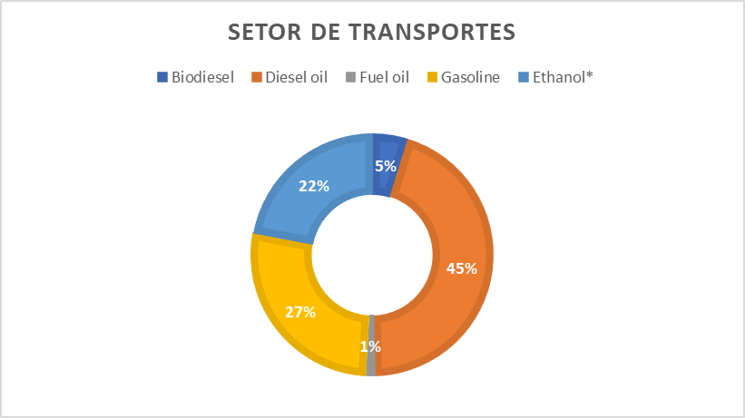
Production and imports (PJ) |  | Total final consumption (PJ) |  |  |  |  |  | Share of liquid fuels in sectors
 |  | Industry | transport | other | non-energy use |  |  | Setor de transportes
Oil production | 5793 | 393 | 2549 | 556 | 537 |  |  | Fontes | Consumo |  | 1 TOE | Fontes | Consumo
Oil import | 403 |  |  |  |  |  |  | mil TOE |  | J | 41868000000 | PJ
Oil products import | 1059 |  |  |  |  |  |  | Biodiesel | 3,799 | PJ | 0.000041868 | Biodiesel | 159.1
Coal production | 81 | 326 | - | - | 7 |  |  | Diesel oil | 35,590 |  |  | Diesel oil | 1,490.1
Coal import | 631 |  |  |  |  |  |  | Fuel oil | 979 |  |  | Fuel oil | 41.0
Natural Gas production | 903 | 376 | 131 | 23 | 24 |  |  | Gasoline | 21,485 |  |  | Gasoline | 899.5
Natural Gas import | 380 |  |  |  |  |  |  | Ethanol* | 17,492 |  |  | Ethanol* | 732.4
Biofuels/waste production | 3803 | 1332 | 804 | 481 | - |  |  |  |  |  |  | TOTAL | 3,322.0
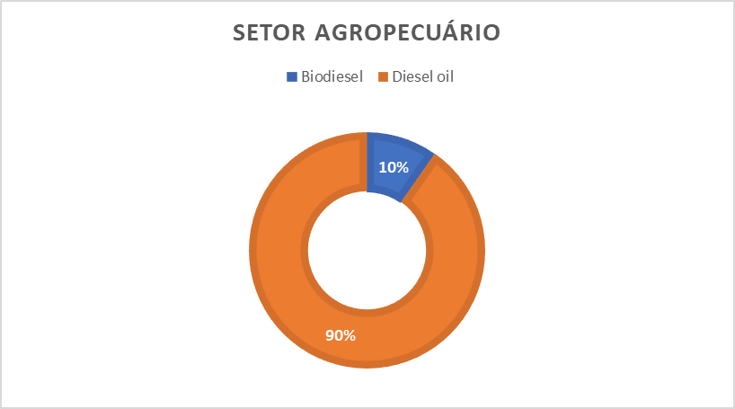
Biofuels/waste import | 40 |  |  |  |  |  |  | Setor Agropecuário
Heat production | 4 | - | - | - | - |  |  | Fontes | Consumo |  | 1 TOE | Fontes | Consumo
Electricity import | 126 | 723 | 10 | 1133 | - |  |  | mil TOE |  | J | 41868000000 | PJ
other production | 225 |  |  |  |  |  |  | Biodiesel | 661 | PJ | 0.000041868 | Biodiesel | 27.7
Hydro production | 1400 |  |  |  |  |  |  | Diesel oil | 6,134 |  |  | Diesel oil | 256.8
Nuclear production | 171 |  |  |  |  |  |  | Fuel oil | 10 |  |  | Fuel oil | 0.4
TOTAL | 15019 | 3150 | 3494 | 2193 | 568 |  |  | Gasoline | 0 |  |  | Gasoline | 0.0
 |  | 9405 |  |  |  |  |  | Ethanol* | 9 |  |  | Ethanol* | 0.4
 |  |  |  |  |  |  |  |  |  |  |  | TOTAL | 285.3
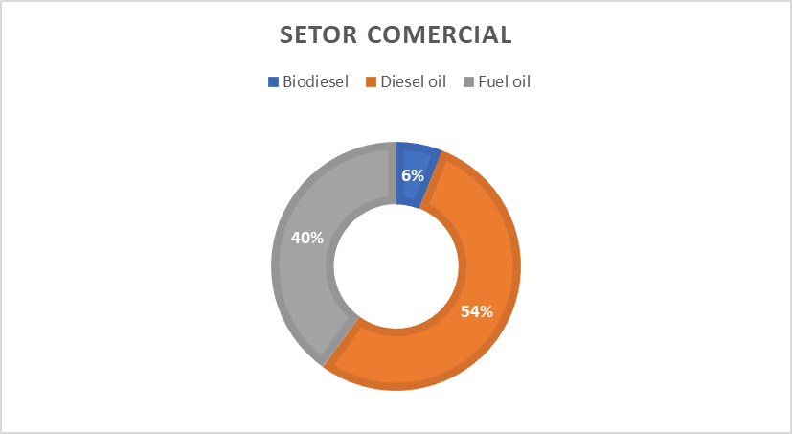
Power Losses | 763 |  |  |  |  |  |  | Setor Comercial
 |  |  |  |  |  |  |  | Fontes | Consumo |  | 1 TOE | Fontes | Consumo
 |  |  |  |  |  |  |  | mil TOE |  | J | 41868000000 | PJ
Exports | Oil | 2333 |  |  |  |  |  | Biodiesel | 3 | PJ | 0.000041868 | Biodiesel | 0.1
 | Biofuels and waste | 37 |  |  |  |  |  | Diesel oil | 27 |  |  | Diesel oil | 1.1
 | Oil products | 356 |  |  |  |  |  | Fuel oil | 20 |  |  | Fuel oil | 0.8
 | TOTAL | 2726 |  |  |  |  |  | Gasoline | 0 |  |  | Gasoline | 0.0
 |  |  |  |  |  |  |  | Ethanol* | 0 |  |  | Ethanol* | 0.0
global balance (%) | 57.5 |  |  |  |  |  |  |  |  |  |  | TOTAL | 2.1
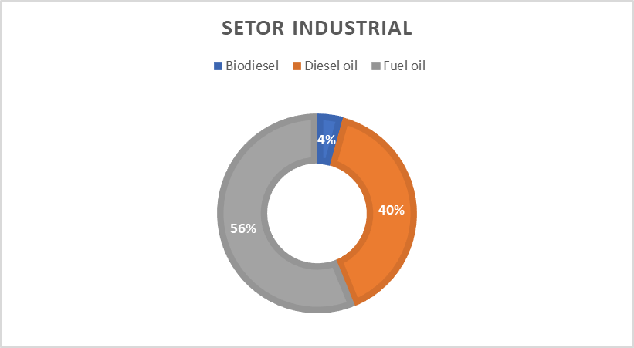
 |  |  |  |  |  |  |  | Setor Industrial
global balance (%) | 75.7 |  |  |  |  |  |  | Fontes | Consumo |  | 1 TOE | Fontes | Consumo
 |  |  |  |  |  |  |  | mil TOE |  | J | 41868000000 | PJ
 |  |  |  |  |  |  |  | Biodiesel | 101 | PJ | 0.000041868 | Biodiesel | 4.2
 |  |  |  |  |  |  |  | Diesel oil | 940 |  |  | Diesel oil | 39.4
 |  |  |  |  |  |  |  | Fuel oil | 1,333 |  |  | Fuel oil | 55.8
 |  |  |  |  |  |  |  | Gasoline | 0 |  |  | Gasoline | 0.0
 |  |  |  |  |  |  |  | Ethanol* | 0 |  |  | Ethanol* | 0.0
 |  |  |  |  |  |  |  |  |  |  |  | TOTAL | 99.4

Domestic energy supply (TOE)
 | 2014 | 2015 | 2016 | 2017 | 2018 | 2019 |  | Renewability index
Non-renewable energy | 185071 | 176113 | 162975 | 167028 | 158047 | 158394 | 2014 | 39.45
Petroleum and oil products | 120327 | 111836 | 105354 | 106276 | 99627 | 101051 | 2015 | 41.27
Natural gas | 41373 | 40971 | 35569 | 37938 | 35905 | 35909 | 2016 | 43.49
Coal and coke | 17521 | 17625 | 15920 | 16790 | 16493 | 15480 | 2017 | 43.17
Uranium | 4036 | 3855 | 4211 | 4193 | 4174 | 4174 | 2018 | 45.55
other non-renewable | 1814 | 1826 | 1921 | 1831 | 1848 | 1780 | 2019 | 46.19
Renewable energy | 120566 | 123770 | 125420 | 126884 | 132214 | 135941
Hydraulic | 35019 | 33897 | 36265 | 35023 | 36460 | 36364
Firewood and charcoal | 24936 | 24900 | 23095 | 24636 | 25827 | 26034
sugarcane products | 48170 | 50648 | 50318 | 49758 | 50090 | 52841
Wind | 1050 | 1860 | 2880 | 3644 | 4169 | 4815
Solar | 1 | 5 | 7 | 72 | 298 | 572
Other renewable | 11390 | 12460 | 12855 | 13751 | 15370 | 15315
TOTAL | 305637 | 299883 | 288395 | 293912 | 290261 | 294335

